Hyman_1986
Hyman (1986) - The economics of improved charcoal stoves in Kenya
https://www.sciencedirect.com/science/article/pii/0301421586901254
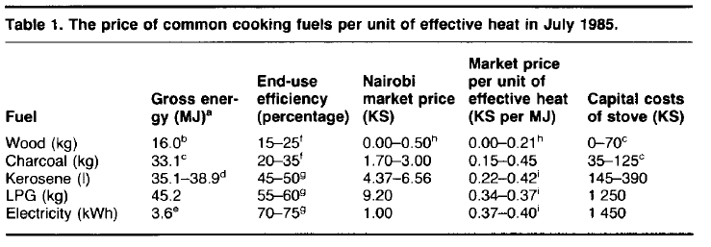
Table 1
Year | Country | Cooking Stove Fuel | End-Use Efficiency [-]
1985 | KEN | Wood | 20.00%
1985 | KEN | Charcoal | 27.50%
1985 | KEN | Kerosene | 47.50%
1985 | KEN | LPG | 57.50%
1985 | KEN | Electricity | 72.50%

Afane_2012
Afrane & Ntiamoah et al (2012) - Analysis of the life-cycle costs and environmental impacts of cooking fuels used in Ghana
https://doi.org/10.1016/j.apenergy.2012.03.041

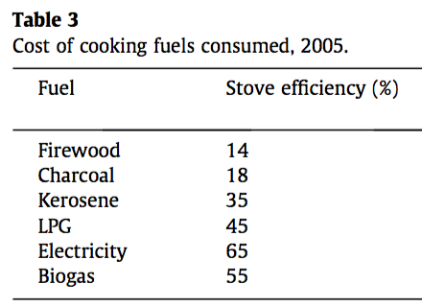
Fuel | Efficiency [-]
Firewood | 0.14
Charcoal | 0.18
Kerosene | 0.35
LPG | 0.45
Electricity | 0.65
Biogas | 0.55

